Module 15
Main
 | Module 15 - Share Capital

 | CA 2006
 | IAS 1 - presentation of financial statements
 | IAS 32 - financial instruments: presentation

 | nominal value is the minimum that must be received on the initial issue of the share
 | Share premium, once created is hard to reduce. It is regarded as part of the permenatnt capital of the company

 | CA 20006 uses of share capital are as follows
 | writing off issue expenses
 | creating new shares as part of a bonus issue
 | writing off the premium on certain purchases or redemptions of share capital

 | share issue

 | dr - bank |  |  | x
 |  | cr - SC |  |  | x
 |  | cr - SP |  |  | x
 | being issue of shares for cash consideration

 | non-cash consideratoin should be recorded at FV at the date of issues
 | and must be equial to the nominal value of the shares being issued
 | a public listed company must obtain an independent valuation of the non-cash element

 | fv of the property must equal the valuation of the SC+SP

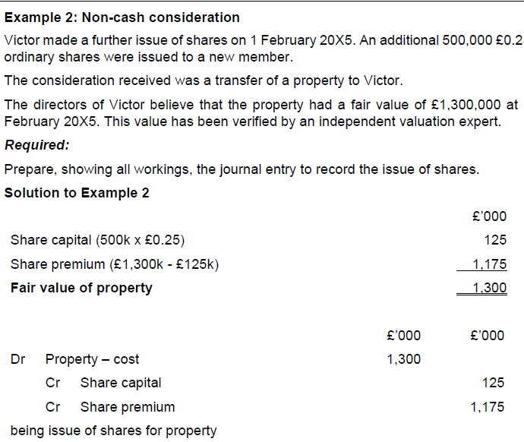

 | Preference shares

 | Redeemable shares

 | Shares are to be redeemed or are liable to be redeeemed at the option of the compnay or the shareholder
 | company may only issues redeeneable shares is it has inissue some share sthat are not redeemable
 | plc - can issue if authorised by it's articles of association
 | a private company can issue if this is not excluded or restricted by it's articles

 | any redeemed shares must be cancelled on redemption, which reduces the company's share capital

 | Issue of bonus shares

 | Bonus shares convert reseverves into share capital

 | all or part of the reserves may be converted
 | normally made from retained earnings, but other reserves may be used.

 | share capital is given to the existing shareholders in proportion to their holdings at the time of issue
 | no new resource enter the company. There is no consideration received.
 | everything just moves around the SOCI
 | the shares will not, therefore, include a premium element

 | 1 for 3 issues
 |  |  | dr | cr
 | SC | 9,000 |  | 3,000 | 12,000
 | SP | 2,000 |  |  | 2,000
 | RE | 4,000 | 3,000 |  | 1,000
 | E | 15,000 |  |  | 15,000

 | issue of bonus shares

 | 1 for three so | 3,000 | new shares issued
 | par | 1
 |  | 3,000

 | dr - RE |  |  | 3,000
 |  | cr -SC |  |  | 3,000
 | being issue of bonus shares from retained earnings

 | Purchase and redemption of shares
 | share capital invested by shareholders cannot normally be repaid or distributed to the shareholders unless the company is wound up
 | Divdends can only be paid out of distributable profits, an elenebt of retained earnings. Tehrefore a company must generate profits to pay out dividends

 | Permenant capital is the equity section, excluding distributable profits

 | General rules and requirements

 | only fully paid shares can be purchases and the company must pay for the shares on purchase
 | if the shares are bough back for more than par value
 | then the total payment is split out into the par value and premium on purchase

 | capital redemption reserve - CRR
 | created from distributable profits

 | any premium on purchase is charges wholly to distributable profits
 | unless the shares meet both of the below criteria
 | >originally issued at a premium
 | >the purchase is being financed wholly or partly out of the proceeds of a new issue

 | if both criteia are satisfied, share premium can be used

 | if the premium on purchase can be charged to the SP account, the max charge
 | is the smaller of
 | the premium received on original issue
 | the balance of share premium account (after crediting any premium on the new issue.

 | any amount of the premium on purchase that cannot be charged to share premium shoul db e charged to distributable profits

 | If the ocmpany has an insufficient amouit of distributable progirs necessary ot write off any premium and transfer to the CRR the cheme is illegal and shoul dnot be carried out.

 | this may limit either the number of shares tha tcan be purchased or the proce which can be paid

 | eceptions apply to private companies - see below

 | assumed for finrep that distributable profits equal the balance on retained earnings

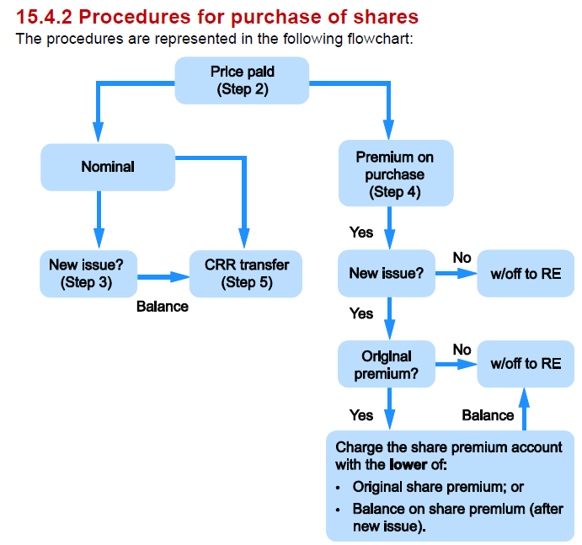

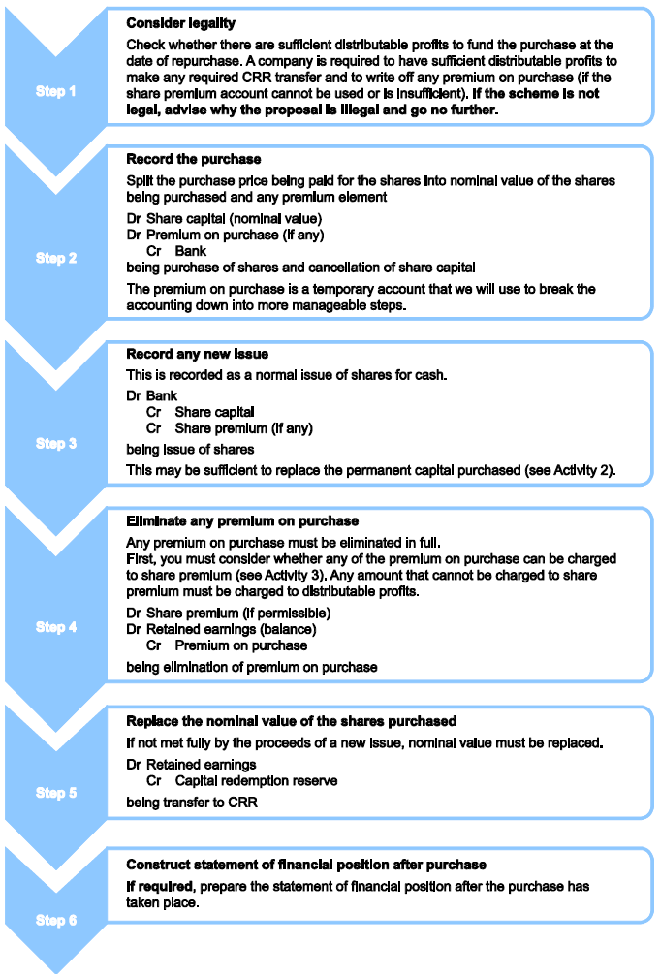

 | Activity 1
 | Purchase of shares - premium on purchase with no new issure of shares
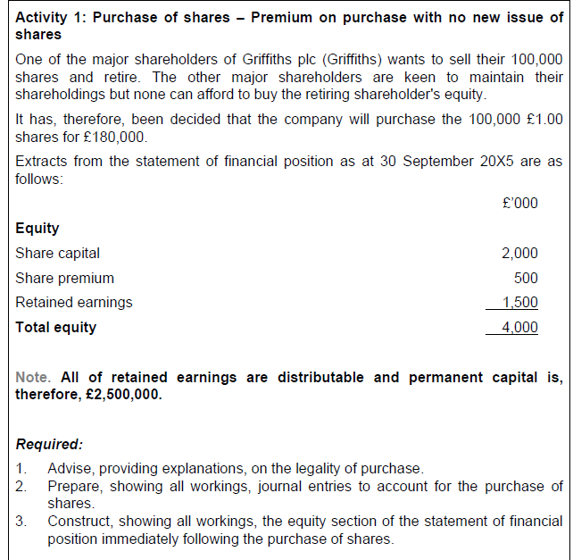

 |  |  | dr | cr
 | SC | 2000 | 100 |  | 1900
 | SP | 500 |  |  | 500
 | CCR |  |  | 100 | 100 | <<<permeneant capital is preserved. RE takes the hit
 | RE | 1500 | 80 |  | 1320
 |  |  | 100
 | E | 4000 |  |  | 3820

 | all of retained earnings are distributable and permentant capital is, therefore, £2,500k

 | company will buyback |  | 100
 | share for |  | £180

 | Step 1: condsier legality
 | Distributable profit of £1,500 are greater than th epuchase price of 150k and so the purchase is legal

 | Step 2: Record the purchase
 | dr - SC |  |  | 100
 | dr - premium on purchase |  |  | 80
 |  | cr - bank |  |  | 180
 | bring purchase of shares and cancellation of share capital

 | Step 3: record any new issues
 | n/a - no new issues

 | Step 4: Eliminate any premium on purchase
 | dr - RE |  |  | 80
 |  | cr - premium on purchase |  |  | 80
 | being elimination of premium on purchase

 | Step 5: replace the nominal value of shares purchased
 | dr RE |  |  | 100
 |  | cr - CCR |  |  | 100
 | being redemption of permenant capital

 | Activity 2
 | same as acty 1 except shares purchases at par and funded by issue of 80k new shares at a premium of £0.25 per share
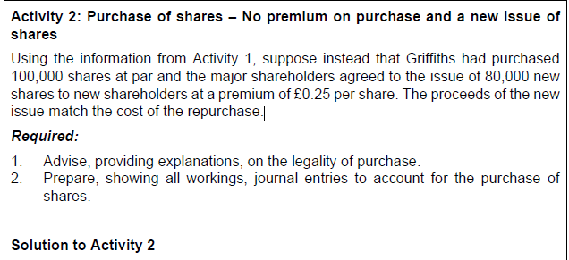

 | Step 1: consider legality
 | Distributable profit and proceeds from the new issue total
 | this is greater then the purchase price of
 | so the purchase is legal

 | Distributable profits |  |  |  | 1500
 | Proceeds from new issue of shares |  |  |  | 100
 |  |  |  |  | 1600

 | Step 2: record the purchase
 | dr - Share capita; |  |  | 100
 |  | cr - procceds form new issure (bank) |  |  | 100
 | being purchase of shares and cancellation of share capital

 | Step 3: record any new issue

 | SC |  |  | 80 | =80*1
 | SP |  |  | 20 | =80*0.25
 | Proceeds |  |  | 100

 | dr - proceeds form new share issue |  |  | 100
 |  | cr SC |  |  | 80
 |  | cr SP |  |  | 20
 | being issue of new shares

 | Step 4: Eliminate any premium on purchase
 | n/a - there is no premium on purchase

 | Step 5: replace the nominal value of shares purchased
 | N/a - the nominal value of shares has been replaced through the issue of new shares

 | Activity 3

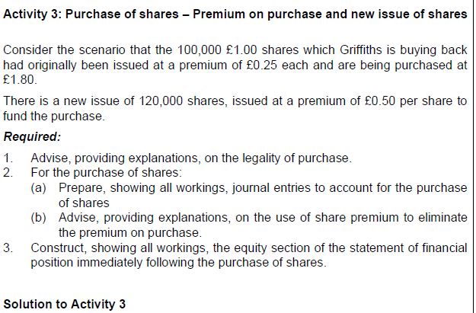

 | Step 1: consider legality
 | distributable profis and proceeds from the new issue total 1680.
 | this is greater than the purchase price of £180 and so the purchase is legal

 | Distributable profits |  | 1500
 | Proceeds from new issue of shares |  | 180 | =120*1.5
 |  |  | 1680

 | dr - Share capital |  |  | 100
 | dr - premium on purchase |  |  | 80
 |  | cr - bank |  |  | 180
 | being purchase of shares and cancellation of share capital

 | Step 3: record any new issue
 | Share capital |  |  | 120
 | Share premium |  |  | 60
 | Proceeds |  |  | 180

 | dr - bank |  |  | 180
 |  | cr - SC |  |  | 120
 |  | cr - SP |  |  | 60
 | being new issue of shares

 | Step 4: eliminate any premum on purchase
 | As there has been a new issue of shares o fund the purchase and as the sahres being purchased were originally issued at a premium, share premium may be used to eliminate the premium on purchase
 | the lower of the original share premium and the balance on share premium may be used:

 | original share premium |  |  | 25
 | balance on share premium |  |  | 560

 | The remaining premium on purchase is written off against distributable profits

 | dr - RE |  |  | 55
 | dr - SP |  |  | 25
 |  | cr - premium on purchase |  |  | 80
 | being elimination of premium on purchase

 | Step 5 - replace the nominal value of shares purchasd
 | n/a - the nominal value of shares has been replaced through the issues of new shares

 | R3 |  | dr | cr | Final
 | SC | 2,000 | 100 | 120 | 2,020
 | SP | 500 | 25 | 60 | 535
 | RE | 1,500 | 55 |  | 1,445
 | E | 4,000 |  |  | 4,000

 | the permenant capital has increased. This is fine. So long as permenent capital doesn't decrease

 | Reduction of share capital
 | Private companies can reduce their permenent capital
 | reason destruction of permenent capital is restricted to protect credirtors

